Factors
EXISTING CONDITIONS ADJUSTMENT FACTORS
Roadway | From | To | Direction | Pedestrian Connectivity |  |  |  | Pedestrian Features |  |  |  | Building Setbacks |  |  | Spacing Between Buildings |  |  | Physical Barriers |  |  | Off-Street Parking |  |  | Average Bike/Ped Factor | Average Transit Factor
 |  |  |  | Distance between crossings | Score | Bike/Ped Factor | Transit Factor | Presence and Quality | Score | Bike/Ped Factor | Transit Factor | Building Setbacks | Bike/Ped Factor | Transit Factor | Spacing | Bike/Ped Factor | Transit Factor | Barriers between Sidewalk and Building | Bike/Ped Factor | Transit Factor | Location | Bike/Ped Factor | Transit Factor
Hollywood Boulevard | City Hall Circle | 24th Avenue | Eastbound | Over 600' | 0 | 1.2 | 0.8 | Moderate | 3 | 0.95 | 0.95 | Close | 0.8 | 1.2 | Close | 0.8 | 1.2 | None | 0.8 | 1.2 | Rear | 0.8 | 1.2 | 0.89 | 1.09
 |  |  | Westbound | Over 600' | 0 | 1.2 | 0.8 | Moderate | 3 | 0.95 | 0.95 | Close | 0.8 | 1.2 | Close | 0.8 | 1.2 | None | 0.8 | 1.2 | Rear | 0.8 | 1.2 | 0.89 | 1.09
 | 24th Avenue | S 22nd Avenue | Eastbound | Over 600' | 0 | 1.2 | 0.8 | Moderate | 3 | 0.95 | 0.95 | Close | 0.8 | 1.2 | Close | 0.8 | 1.2 | None | 0.8 | 1.2 | Rear | 0.8 | 1.2 | 0.89 | 1.09
 |  |  | Westbound | Over 600' | 0 | 1.2 | 0.8 | Moderate | 3 | 0.95 | 0.95 | Close | 0.8 | 1.2 | Close | 0.8 | 1.2 | None | 0.8 | 1.2 | Rear | 0.8 | 1.2 | 0.89 | 1.09
 | S 22nd Avenue | Dixie Highway | Eastbound | Over 600' | 0 | 1.2 | 0.8 | Moderate | 3 | 0.95 | 0.95 | Close | 0.8 | 1.2 | Close | 0.8 | 1.2 | None | 0.8 | 1.2 | Rear | 0.8 | 1.2 | 0.89 | 1.09
 |  |  | Westbound | Over 600' | 0 | 1.2 | 0.8 | Moderate | 3 | 0.95 | 0.95 | Close | 0.8 | 1.2 | Close | 0.8 | 1.2 | None | 0.8 | 1.2 | Rear | 0.8 | 1.2 | 0.89 | 1.09
Sunset Strip | NW 72nd Avenue | NW 68th Avenue | Eastbound | Over 600' | 0 | 1.2 | 0.8 | Moderate | 3 | 0.95 | 0.95 | Far | 1.2 | 0.8 | Mixed | 0.95 | 0.95 | None | 0.8 | 1.2 | Side | 0.95 | 0.95 | 1.01 | 0.94
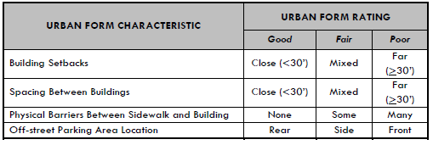
 |  |  | Westbound | Over 600' | 0 | 1.2 | 0.8 | Moderate | 3 | 0.95 | 0.95 | Far | 1.2 | 0.8 | Mixed | 0.95 | 0.95 | None | 0.8 | 1.2 | Side | 0.95 | 0.95 | 1.01 | 0.94
 | NW 68th Avenue | NW 64th Avenue | Eastbound | Over 600' | 0 | 1.2 | 0.8 | Moderate | 3 | 0.95 | 0.95 | Mixed | 0.95 | 0.95 | Mixed | 0.95 | 0.95 | None | 0.8 | 1.2 | Side | 0.95 | 0.95 | 0.97 | 0.97
 |  |  | Westbound | Over 600' | 0 | 1.2 | 0.8 | Moderate | 3 | 0.95 | 0.95 | Mixed | 0.95 | 0.95 | Mixed | 0.95 | 0.95 | None | 0.8 | 1.2 | Side | 0.95 | 0.95 | 0.97 | 0.97
 | NW 64th Avenue | NW 19th Street | Eastbound | Over 600' | 0 | 1.2 | 0.8 | Moderate | 3 | 0.95 | 0.95 | Far | 1.2 | 0.8 | Mixed | 0.95 | 0.95 | None | 0.8 | 1.2 | Side | 0.95 | 0.95 | 1.01 | 0.94
 |  |  | Westbound | Over 600' | 0 | 1.2 | 0.8 | Moderate | 3 | 0.95 | 0.95 | Far | 1.2 | 0.8 | Mixed | 0.95 | 0.95 | None | 0.8 | 1.2 | Side | 0.95 | 0.95 | 1.01 | 0.94

FUTURE PROPOSED CONDITIONS ADJUSTMENT FACTORS
Roadway | From | To | Direction | Pedestrian Connectivity |  |  |  | Pedestrian Features |  |  |  | Building Setbacks |  |  | Spacing Between Buildings |  |  | Physical Barriers |  |  | Off-Street Parking |  |  | Average Bike/Ped Factor | Average Transit Factor
 |  |  |  | Distance between crossings | Score | Bike/Ped Factor | Transit Factor | Presence and Quality | Score | Bike/Ped Factor | Transit Factor | Building Setbacks | Bike/Ped Factor | Transit Factor | Spacing | Bike/Ped Factor | Transit Factor | Barriers between Sidewalk and Building | Bike/Ped Factor | Transit Factor | Location | Bike/Ped Factor | Transit Factor |  |  | 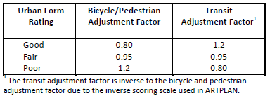
Hollywood Boulevard | City Hall Circle | 24th Avenue | Eastbound | 501' to 600' | 2 | 0.95 | 0.95 | High | 5 | 0.8 | 1.2 | Close | 0.8 | 1.2 | Close | 0.8 | 1.2 | None | 0.8 | 1.2 | Rear | 0.8 | 1.2 | 0.82 | 1.16
 |  |  | Westbound | 501' to 600' | 2 | 0.95 | 0.95 | High | 5 | 0.8 | 1.2 | Close | 0.8 | 1.2 | Close | 0.8 | 1.2 | None | 0.8 | 1.2 | Rear | 0.8 | 1.2 | 0.82 | 1.16
 | 24th Avenue | S 22nd Avenue | Eastbound | Over 600' | 0 | 1.2 | 0.8 | High | 5 | 0.8 | 1.2 | Close | 0.8 | 1.2 | Close | 0.8 | 1.2 | None | 0.8 | 1.2 | Rear | 0.8 | 1.2 | 0.87 | 1.13
 |  |  | Westbound | Over 600' | 0 | 1.2 | 0.8 | High | 5 | 0.8 | 1.2 | Close | 0.8 | 1.2 | Close | 0.8 | 1.2 | None | 0.8 | 1.2 | Rear | 0.8 | 1.2 | 0.87 | 1.13
 | S 22nd Avenue | Dixie Highway | Eastbound | Over 600' | 0 | 1.2 | 0.8 | High | 5 | 0.8 | 1.2 | Close | 0.8 | 1.2 | Close | 0.8 | 1.2 | None | 0.8 | 1.2 | Rear | 0.8 | 1.2 | 0.87 | 1.13
 |  |  | Westbound | Over 600' | 0 | 1.2 | 0.8 | High | 5 | 0.8 | 1.2 | Close | 0.8 | 1.2 | Close | 0.8 | 1.2 | None | 0.8 | 1.2 | Rear | 0.8 | 1.2 | 0.87 | 1.13
Sunset Strip | NW 72nd Avenue | NW 68th Avenue | Eastbound | Over 600' | 0 | 1.2 | 0.8 | High | 5 | 0.8 | 1.2 | Far | 1.2 | 0.8 | Mixed | 0.95 | 0.95 | None | 0.8 | 1.2 | Side | 0.95 | 0.95 | 0.98 | 0.98
 |  |  | Westbound | Over 600' | 0 | 1.2 | 0.8 | High | 5 | 0.8 | 1.2 | Far | 1.2 | 0.8 | Mixed | 0.95 | 0.95 | None | 0.8 | 1.2 | Side | 0.95 | 0.95 | 0.98 | 0.98
 | NW 68th Avenue | NW 64th Avenue | Eastbound | Over 600' | 0 | 1.2 | 0.8 | High | 5 | 0.8 | 1.2 | Mixed | 0.95 | 0.95 | Mixed | 0.95 | 0.95 | None | 0.8 | 1.2 | Side | 0.95 | 0.95 | 0.94 | 1.01
 |  |  | Westbound | Over 600' | 0 | 1.2 | 0.8 | High | 5 | 0.8 | 1.2 | Mixed | 0.95 | 0.95 | Mixed | 0.95 | 0.95 | None | 0.8 | 1.2 | Side | 0.95 | 0.95 | 0.94 | 1.01
 | NW 64th Avenue | NW 19th Street | Eastbound | Over 600' | 0 | 1.2 | 0.8 | High | 5 | 0.8 | 1.2 | Far | 1.2 | 0.8 | Mixed | 0.95 | 0.95 | None | 0.8 | 1.2 | Side | 0.95 | 0.95 | 0.98 | 0.98
 |  |  | Westbound | Over 600' | 0 | 1.2 | 0.8 | High | 5 | 0.8 | 1.2 | Far | 1.2 | 0.8 | Mixed | 0.95 | 0.95 | None | 0.8 | 1.2 | Side | 0.95 | 0.95 | 0.98 | 0.98

Factor Info
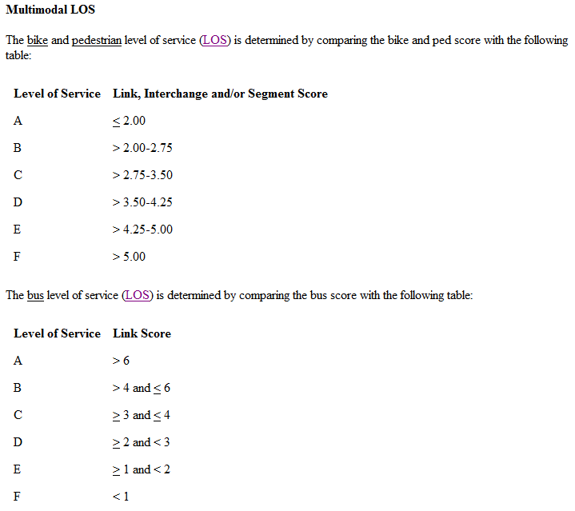
ADJUSTMENT FACTORS

LOS THRESHOLDS

